Variable Data & Analysis
 | Batch 4 data |  |  |  |  |  |  |  |  | Batch 4, Statistical Summary
 | Dependant Variable | Independent (Predictor) Variables
 |  | Main Effects |  |  | 2 way Interactions |  |  | 3 Way Interaction |  | Variable | Mean | Median | Std. Dev | Minimum | Maximum | Q1 | Q3
 | ROCE% | LI | D/E | Revenue Growth % | LI*D/E | LI*Revenue Growth % | D/E*Revenue Growth % | LI*D/E*Revenue Growth % |  | ROCE% | 17.53 | 17.55 | 10.83 | -5.82 | 39.55 | 9.96 | 22.2
 | 15.48 | 0.95 | 0.25 | 3.94 | 0.23 | 3.76 | 0.97 | 0.92 |  | LI (Liquidity Index) | 1.5 | 0.91 | 1.44 | 0.69 | 5.68 | 0.82 | 1.08
 | 11.23 | 1.11 | 0.40 | 17.94 | 0.44 | 19.96 | 7.11 | 7.91 |  | D/E (Debt/Equity) | 0.78 | 0.58 | 0.72 | 0 | 3.16 | 0.35 | 0.99
 | 8.12 | 0.98 | 0.42 | 35.59 | 0.41 | 34.92 | 14.84 | 14.57 |  | Revenue Growth % | 14.22 | 13.79 | 28.29 | -65.52 | 101.32 | -0.64 | 24.97
 | 2.61 | 0.93 | 0.46 | 37.89 | 0.43 | 35.34 | 17.53 | 16.36 |  | LI * D/E | 0.66 | 0.54 | 0.58 | 0.01 | 2.59 | 0.39 | 0.79
 | -5.82 | 1.15 | 0.79 | -65.52 | 0.91 | -75.50 | -51.61 | -59.47 |  | LI * Rev Growth % | 14.45 | 14.44 | 37.73 | -76.34 | 91.07 | -0.62 | 33.72
 | 9.90 | 5.68 | 0.00 | -13.44 | 0.01 | -76.34 | -0.02 | -0.14 |  | D/E * Rev Growth % | 12.84 | 0.95 | 31.89 | -51.61 | 112.76 | -0.02 | 14.26
 | 12.51 | 5.59 | 0.00 | -6.64 | 0.02 | -37.14 | -0.02 | -0.10 |  | LI * D/E * Rev Growth % | 10.6 | 0.85 | 28.4 | -59.47 | 98.91 | -0.08 | 12.2
 | 14.97 | 4.36 | 0.00 | 15.81 | 0.02 | 68.89 | 0.07 | 0.32
 | 21.82 | 3.62 | 0.00 | 25.13 | 0.01 | 91.07 | 0.04 | 0.13 |  | 1. ROCE% (Return on Capital Employed)
 | 20.41 | 3.35 | 0.00 | 17.61 | 0.01 | 59.00 | 0.07 | 0.22
 | 39.55 | 0.74 | 1.58 | 0.27 | 1.17 | 0.20 | 0.42 | 0.31 |  | Performance: With a Mean of 17.53% and a Median of 17.55%, this is your most "well-behaved" variable. Since the mean and median are almost identical, the distribution is very symmetrical.
 | 31.89 | 0.79 | 1.89 | 1.91 | 1.49 | 1.51 | 3.61 | 2.85
 | 33.61 | 0.83 | 1.64 | 36.06 | 1.37 | 30.10 | 59.17 | 49.39 |  | Volatility: The Std. Dev of 10.83 is moderate. Most of your data (Q1 to Q3) sits between ~10% and 22%.
 | 30.92 | 0.84 | 2.22 | 43.85 | 1.87 | 36.93 | 97.29 | 81.93
 | 17.93 | 0.82 | 3.16 | -5.56 | 2.59 | -4.55 | -17.56 | -14.36 |  | Takeaway: Most companies in your set are consistently earning between 10% and 20% on their capital, with a few high performers reaching nearly 40%.
 | 16.90 | 0.69 | 1.01 | -4.42 | 0.70 | -3.07 | -4.46 | -3.10
 | 18.11 | 0.73 | 0.81 | -1.86 | 0.60 | -1.36 | -1.51 | -1.11 |  | 2. LI (Liquidity Index)
 | 19.18 | 0.75 | 0.91 | 18.32 | 0.68 | 13.76 | 16.67 | 12.52
 | 21.65 | 0.78 | 1.01 | 37.88 | 0.79 | 29.51 | 38.22 | 29.77 |  | The Outlier Effect: Notice the Mean (1.5) is significantly higher than the Median (0.91). This is a classic sign of Right Skewness.
 | 17.92 | 0.74 | 0.93 | 0.00 | 0.69 | 0.00 | 0.00 | 0.00
 | 30.38 | 0.90 | 0.55 | 22.73 | 0.49 | 20.44 | 12.51 | 11.25 |  | Concentration: 75% of your data (Q3) is at or below 1.08, yet the Maximum is 5.68.
 | 36.45 | 0.84 | 0.71 | 1.32 | 0.59 | 1.11 | 0.93 | 0.78
 | 26.25 | 0.88 | 1.11 | 101.32 | 0.98 | 88.88 | 112.76 | 98.91 |  | Takeaway: Most companies have relatively tight liquidity (around 0.90), but a few "cash-heavy" outliers are pulling the average up artificially.
 | 1.67 | 0.84 | 0.93 | 58.95 | 0.78 | 49.44 | 54.72 | 45.90
 | 9.25 | 1.28 | 0.29 | 11.76 | 0.38 | 15.11 | 3.45 | 4.43 |  | 3. D/E (Debt/Equity)
 | 17.17 | 0.98 | 0.56 | 0.00 | 0.55 | 0.00 | 0.00 | 0.00
 | 22.33 | 0.99 | 0.47 | -0.85 | 0.46 | -0.83 | -0.39 | -0.39 |  | Leverage Levels: Similar to Liquidity, the Mean (0.78) is higher than the Median (0.58).
 | 6.39 | 0.90 | 0.59 | 20.34 | 0.53 | 18.28 | 11.96 | 10.75
 | 6.84 | 0.91 | 0.46 | 24.47 | 0.41 | 22.18 | 11.20 | 10.15 |  | Takeaway: The "typical" company has a conservative debt-to-equity ratio of 0.58, but there are aggressive outliers with ratios as high as 3.16.
 | 10.15 | 0.98 | 0.33 | -8.14 | 0.33 | -8.00 | -2.69 | -2.65
 |  |  |  |  |  |  |  |  |  | 4. Revenue Growth %

 |  |  |  |  |  |  |  |  |  | Extreme Volatility: This variable has a massive Std. Dev of 28.29. The range is huge—spanning from a -65.52% collapse to a 101.32% doubling of revenue.

 |  |  |  |  |  |  |  |  |  | Takeaway: This is your most unstable metric. The "middle 50%" of companies (Q1 to Q3) grow between -0.64% and 24.97%. Anything outside that range is an extreme case.

 |  |  |  |  |  |  |  |  |  | 5. Interaction Terms (The Multiplied Columns)

 |  |  |  |  |  |  |  |  |  | These columns show how variables behave when they "hit" each other.

 |  |  |  |  |  |  |  |  |  | D/E * Rev Growth %: Look at the Median (0.95) vs the Mean (12.84). This tells us that for most companies, the combined effect of debt and growth is low, but for a few companies where both are high, the impact is explosive (up to 112.76).

 |  |  |  |  |  |  |  |  |  | LI * D/E * Rev Growth %: The Median of 0.85 suggests that the "typical" interaction of these three factors is quite small. However, the Maximum of 98.91 shows that there is at least one company where high liquidity, high debt, and high growth are all present simultaneously.
Distribution of the variables

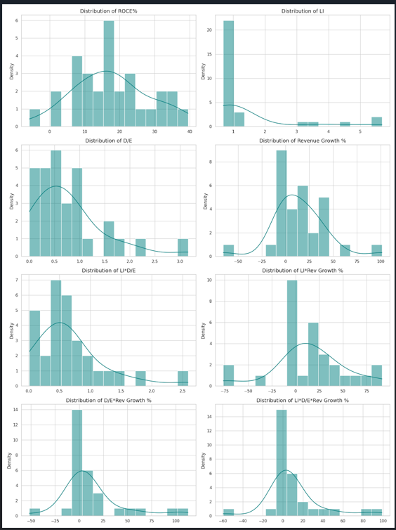

 |  |  |  |  |  |  |  |  | Distribution of Variables (KDE Grid View)

 |  |  |  |  |  |  |  |  | Observations from the Curves:

 |  |  |  |  |  |  |  |  | 1. ROCE%: Shows a relatively normal distribution but with a slight right-skew and a notable tail toward negative values (the -5.82% outlier).

 |  |  |  |  |  |  |  |  | 2. LI (Liquidity Index): This is highly right-skewed. The majority of the data is clustered below 1.5, but a long tail stretches out toward 6.0, confirming the high-liquidity outliers we discussed earlier.

 |  |  |  |  |  |  |  |  | 3. D/E (Debt/Equity): Also shows a right-skew, with most companies keeping debt levels low (under 1.0), but a few extreme cases pushing the scale toward 3.0.

 |  |  |  |  |  |  |  |  | 4. Revenue Growth %: This has the widest spread. The KDE curve shows a central peak around 10-20%, but the distribution is stretched thin on both sides, indicating high volatility in business performance.

 |  |  |  |  |  |  |  |  | 5. Interaction Terms: You'll notice that the interaction terms (like LI*D/E*Rev Growth %) have very sharp peaks near zero with long tails. This is common when multiplying variables where at least one variable often has a low or zero value (like the companies with 0.00 Debt/Equity).

